week1
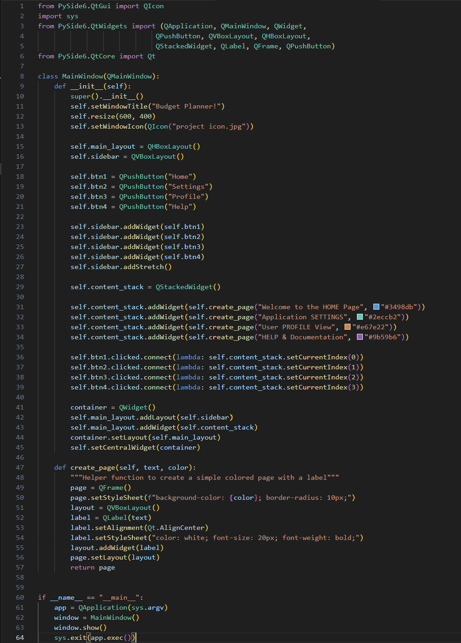
Computer Science 2 Project | Team Members: | Zian Relon
Group Progress Report |  | Caiden Alava
3rd Quarter

Week 4 - Feb 6, 2026
GOAL State your goal for the Week | DATA COLLECTED State/list the data collected relevant to your project | PROGRESS State the progress you have made so far by the end of the week
Improve the menu | none | Improved the menu and checked for
 |  | bugs

STRENGTH
Decent Coding skills
Researching
Ability to work well with each other

AREAS FOR DEVELOPMENT
Coding skills

STRATEGY FOR SUCCESS
Practice coding
Time management
Communication
Research
Patience

